Sheet1
NGƯỜI DU LỊCH
 | 1 | 2 | 3 | 4 | 5 |  |  | 1 | 2 | 3 | 4 | 5 |  |  |  | 1 | 2 | 3 | 4 | 5
1 | 0 | 3 | 5 | 2 | 6 |  | 1 | 0 | 1 | 6 | 3 | 2 |  |  | 1 | 0 | 7 | 2 | 6 | 1
2 | 3 | 0 | 6 | 7 | 3 |  | 2 | 1 | 0 | 5 | 7 | 1 |  |  | 2 | 7 | 0 | 5 | 4 | 7
3 | 5 | 6 | 0 | 5 | 4 |  | 3 | 6 | 5 | 0 | 6 | 3 |  |  | 3 | 2 | 5 | 0 | 1 | 3
4 | 2 | 7 | 5 | 0 | 1 |  | 4 | 3 | 7 | 6 | 0 | 2 |  |  | 4 | 6 | 4 | 1 | 0 | 5
5 | 6 | 3 | 4 | 1 | 0 |  | 5 | 2 | 1 | 3 | 2 | 0 |  |  | 5 | 1 | 7 | 3 | 5 | 0

TOUR((1,4); (4,5); (5,2); (2,3); (3,1)) |  |  |  |  |  |  | TOUR((1,2); (2,5); (5,4); (4,3); (3,1)) |  |  |  |  |  |  |  | TOUR((1,5); (5, 3); (3,4); (4,2); (2,1))
COST = 2 + 1 + 3 + 6 + 5 = 17 |  |  |  |  |  |  | COST = 1 + 1 + 2 + 6 + 6 = 16 |  |  |  |  |  |  |  | COST = 1 + 3 + 1 + 4 + 7 = 16

DIJSTRA

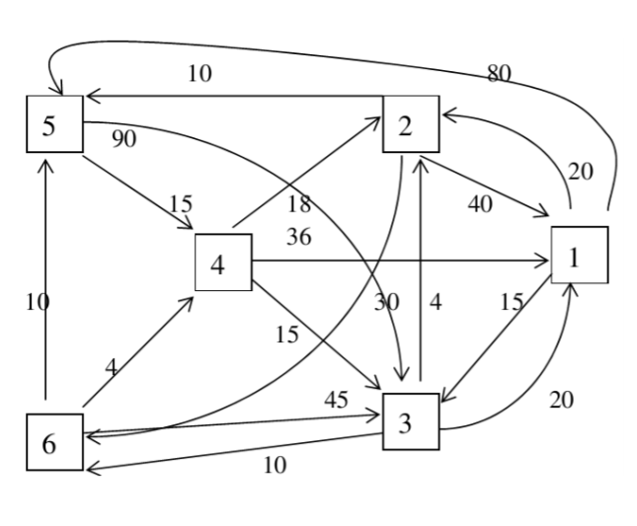
 |  |  |  |  |  | (1, 2) = 20 |  | 1 | 2 | 3 | 4 | 5 | 6 |  | 1 | 2 | 3 | 4 | 5 | 6
 |  |  |  |  |  | (1, 3) = 15 |  | ∞ | ∞ | ∞ | ∞ | ∞ | ∞ |  | ∞ | ∞ | ∞ | ∞ | ∞ | ∞
 |  |  |  |  |  | (1, 5) = 80 |  | 40 | X |  |  | 10 | 30 |  | 20 | 4 | X |  |  | 10
 |  |  |  |  |  | (2, 1) = 40 |  |  |  | 100 | 25 | X |  |  |  | X |  |  | 14
 |  |  |  |  |  | (2, 5) = 10 |  |  |  | 40 | X |  |  |  |  |  |  | 14 |  | X
 |  |  |  |  |  | (2, 6) = 30 |  |  |  |  |  |  | X |  |  |  |  | X
 |  |  |  |  |  | (3, 1) = 20 |  |  |  | X |  |  |  |  |  |  |  |  | X
 |  |  |  |  |  | (3, 2) = 4 |  | X |  |  |  |  |  |  | X
 |  |  |  |  |  | (3, 6) = 10 |  | 2->1 | 0 | 2->5->4->3 | 2->5->4 | 2->5 | 2->6 |  | 3->1 | 3->2 |  | 3->6->4 | 3->2->5 | 3->6
 |  |  |  |  |  | (4, 1) = 36
 |  |  |  |  |  | (4, 2) = 18 |  |  |  |  |  | 1 | 2 | 3 | 4 | 5 | 6
 |  |  |  |  |  | (4, 3) = 15 |  |  |  |  |  | ∞ | ∞ | ∞ | ∞ | ∞ | ∞
 |  |  |  |  |  | (5, 3) = 90 |  |  |  |  |  | 36 | 18 | 15 | X
 |  |  |  |  |  | (5, 4) = 15 |  |  |  |  |  | 35 |  | X
 |  |  |  |  |  | (6, 3) = 45 |  |  |  |  |  |  | X |  |  | 28 | 48
 |  |  |  |  |  | (6, 4) = 4 |  |  |  |  |  |  |  |  |  | X
 |  |  |  |  |  | (6, 5) = 10 |  |  |  |  |  | X
 |  |  |  |  |  |  |  |  |  |  |  |  |  |  |  |  | X
 |  |  |  |  |  |  |  |  |  |  |  | 4->3->1 | 4->2 | 4->3 |  | 4->2->5 | 4->2->6

